Order Form
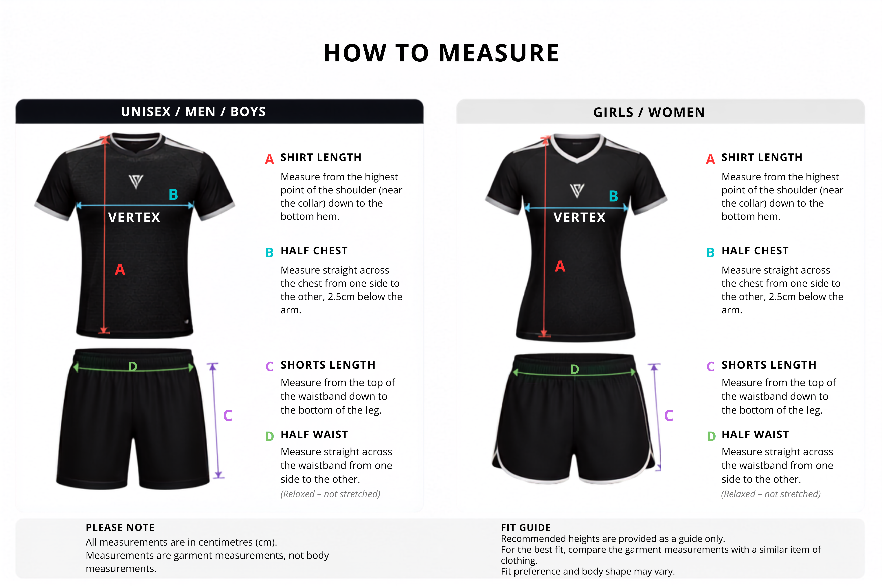
VERTEX SPORTS – TEAM SIZING ORDER FORM

Complete one row per player. Select the fit first, then choose shirt and shorts sizes using the guide tabs below.

Club Name |  |  |  | Team Name/Age Group

Player | Squad No. | Printed Name | Kit Type | Fit/Cut | Shirt | Shorts | Socks | Notes
1
2
3
4
5
6
7
8
9
10
11
12
13
14
15
16
17
18
19
20
21
22
23
24
25
26
27
28
29
30
31
32
33
34
35
Important: Check all spellings, squad numbers, fit and sizes before returning this form. For mixed teams, select the appropriate fit for each individual player.

VERTEX SPORTS – GIRLS' / WOMEN'S SIZE GUIDE

SIZE & AGE GROUP | (A) SHIRT LENGTH | (B) SHIRT WIDTH | (C) SHORTS LENGTH | (D) SHORTS WAIST (RELAXED) | (D) SHORTS WAIST (STRETCH) | RECOMMENDED HIGHT
 | CM | CM | CM | CM | CM | CM
22 | 54 | 39 | 30 | 26 | 40 | 130–140
24 | 56 | 41 | 32 | 28 | 43 | 140–150
26 | 60 | 43 | 34 | 29 | 45 | 150–155
28 | 63 | 45 | 36 | 30 | 47 | 155–160
S | 66 | 47 | 37 | 31 | 48 | 160–165
M | 68 | 49 | 38 | 32 | 50 | 165–170
L | 70 | 51 | 39 | 33 | 51 | 170–175
XL | 72 | 53 | 40 | 35 | 54 | 175–180
2XL | 75 | 56 | 41 | 36 | 56 | 180–185

UNISEX / BOYS' / MEN'S SIZE GUIDE

SIZE & AGE GROUP | (A) SHIRT LENGTH | (B) SHIRT WIDTH | (C) SHORTS LENGTH | (D) SHORTS WAIST (RELAXED) | (D) SHORTS WAIST (STRETCH) | RECOMMENDED HEIGHT
 | CM | CM | CM | CM | CM | CM
16 | 47 | 33.5 | 26 | 26 | 37 | 100–110
18 | 50 | 35.5 | 28 | 26 | 37 | 110–120
20 | 53 | 37.5 | 30 | 26 | 39 | 120–130
22 | 56 | 39.5 | 32 | 27 | 43 | 130–140
24 | 59 | 41.5 | 34 | 29 | 44 | 140–150
26 | 62 | 43.5 | 36 | 29 | 45 | 150–155
28 | 65 | 45.5 | 38 | 31 | 48 | 155–160
XS | 68 | 47.5 | 40 | 31 | 50 | 160–165
S | 70 | 49 | 46 | 31 | 52 | 165–170
M | 73 | 51 | 48 | 32 | 53 | 170–175
L | 75 | 53 | 50 | 34 | 55 | 175–180
XL | 78 | 56 | 52 | 36 | 56 | 180–185
2XL | 80 | 58 | 54 | 37 | 58 | 185–190
3XL | 82 | 60 | 56 | 38 | 60 | 190–195

